Output
SE160A MATLAB Project (#2) - Wing Bending, Shear, and Torsion Analysis - Stringer/Skin Construction
University of California, San Diego (Copyright J.B. Kosmatka, 2024)

 | Version: | Winter, 2024 (v1.0)

 | Student Name: | Jeremy Doan
 | Student ID: | A16844657

 | Project Title: | Al, PHAA

INPUT ECHO:

 | Analysis Parameters
 | Variable | Description | Value | Units
 | nplot | Number of output plot data points | 201 | 1

 | Wing Definition
 | Variable | Description | Value | Units
 | L | Wing Length | 2.4000E+02 | inch
 | c | Wing Chord | 4.8000E+01 | inch
 | tmax/c | Wing Thickness (maximum) | 7.6800E+00 | inch
 | Kw | Secondary Structure Added Wing Weight | 5.0000E+00 | (%)

 | Skin Definition
 | Variable | Description | Value | Units
 | t | Skin thickness | 5.7500E-02 | inch
material | r | Weight Density | 1.0000E-01 | lb/in^3
 | G | Skin shear modulus | 3.7500E+00 | Msi
 | ty | Yield strength (shear) | 2.4000E+01 | Ksi
 | tu | Ultimate strength (shear) | 2.8000E+01 | Ksi

 | Stringer Definition (4 maximum)
 | Variable | Description | (#1) - LE | (#2) | (#3) - TE | (#4) | Units
 | y/c | Stringer location (y-direction) | 0.0000E+00 | 2.4000E+01 | 4.8000E+01 | 2.4000E+01 | inch
 | As | Stringer area | 5.0500E+00 | 5.0500E+00 | 5.0500E+00 | 5.0500E+00 | inch2
 | Iyy | Stringer inertia about y-axis | 0.0000E+00 | 0.0000E+00 | 0.0000E+00 | 0.0000E+00 | inch4
 | Izz | Stringer inertia about z-axis | 0.0000E+00 | 0.0000E+00 | 0.0000E+00 | 0.0000E+00 | inch4
 | Iyz | Stringer product of inertia | 0.0000E+00 | 0.0000E+00 | 0.0000E+00 | 0.0000E+00 | inch4
material properties | r | Weight Density | 1.0000E-01 | 1.0000E-01 | 1.0000E-01 | 1.0000E-01 | lb/in^3
 | E | Young's modulus | 1.0000E+01 | 1.0000E+01 | 1.0000E+01 | 1.0000E+01 | Msi
 | syT | Yield strength (tension) | 3.7000E+01 | 3.7000E+01 | 3.7000E+01 | 3.7000E+01 | Ksi
 | suT | Ultimate strength (tension) | 4.3000E+01 | 4.3000E+01 | 4.3000E+01 | 4.3000E+01 | Ksi
 | syC | Yield strength (compression) | -3.7000E+01 | -3.7000E+01 | -3.7000E+01 | -3.7000E+01 | Ksi
 | suC | Ultimate strength (compression) | -4.3000E+01 | -4.3000E+01 | -4.3000E+01 | -4.3000E+01 | Ksi
 | Note: The y-location for stringers (#2) and (#4) must be between 25 and 50%
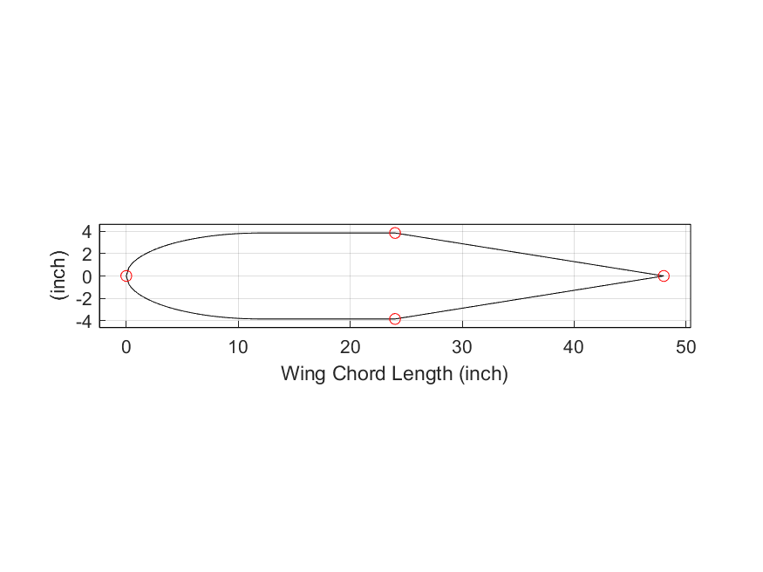
 | Safety Factor Definition |  |  |  |  |  | Airfoil Cross-Section Plot
 | Variable | Description | Value | Units |  |  | x-axis: Position airfoil chord (inch)
 | SFy | Safety Factor (yield) | 1.1000E+00 | 1 |  |  | y-axis: Airfoil Definition (lb/inch)
 | SFu | Safety Factor (ultimate) | 1.5000E+00 | 1

 | Flight Load Definition
 | Variable | Description | Value | Units
 | n | Aircraft Load factor | 3.8000E+00 | 1
 | pyo | Drag distribution (constant) | 2.4000E+00 | lb/in
 | pyr | Drag distribution (rth order) | 4.0000E-01 | lb/in
 | r | Drag distribution (polynomial order) | 1.0000E+01 | 1
 | pzo | Lift distribution (constant) | 5.7000E+01 | lb/in
 | pz2 | Lift distribution (2nd order) | -1.5200E+01 | lb/in
 | pz4 | Lift distribution (4th order) | -3.8000E+00 | lb/in
 | mxo | Twist moment distribution (constant) | 1.5000E+01 | lb-in/in
 | mx1 | Twist moment distribution (1st order) | 0.0000E+00 | lb-in/in

OUTPUT:

 | Wing Properties
 | Variable | Description | Value | Units
 | W | Total Half-Span Wing Weight | 6.5274E+02 | lb

 | Wing Cross-Section Properties
 | Variable | Description | Value | Units
 | yc | Modulus weighted centroid (y-direction) | 2.4000E+01 | inch | <= Measured from leading edge
 | zc | Modulus weighted centroid (z-direction) | 0.0000E+00 | inch | <= Measured from leading edge
 | rA | Cross-Section Weight | 2.7197E+00 | lb/inch
 | EA | Axial stiffness | 2.0200E+08 | lb
 | EIyy | Bending stiffness (about y-axis) | 1.4893E+09 | lb-in2 | <= Property defined about modulus-weighted centroid
 | EIzz | Bending stiffness (about z-axis) | 5.8176E+10 | lb-in2 | <= Property defined about modulus-weighted centroid
 | EIyz | Bending stiffness (product) | 0.0000E+00 | lb-in2 | <= Property defined about modulus-weighted centroid
 | GJ | Torsion stiffness | 5.7310E+08 | lb-in2
 | ey | Shear Center (y-direction) | 1.5232E+01 | inch | <= Measured from leading edge
 | ez | Shear Center (z-direction) | 0.0000E+00 | inch | <= Measured from leading edge

 | Distributed Drag (lb/inch)
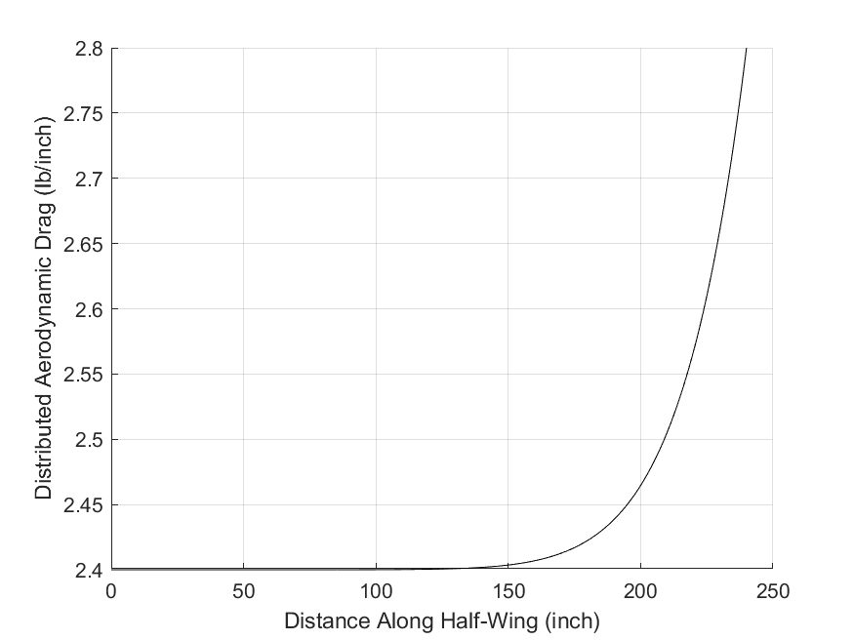
 |  | Distributed Drag Plot
 |  | x-axis: Position along spar (inch)
 |  | y-axis: Distributed Drag Force (lb/inch)

 | Distributed Lift (lb/inch)
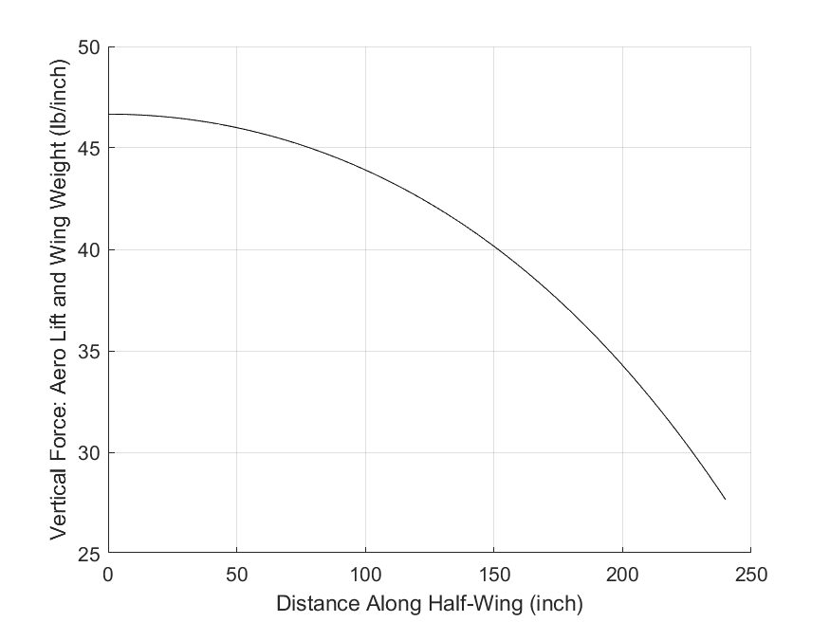
 |  | Distributed Lift Plot
 |  | x-axis: Position along spar (inch)
 |  | y-axis: Distributed Lift Force (lb/inch)

 | Distributed Aerodynamic Torque (lb-inch/inch)
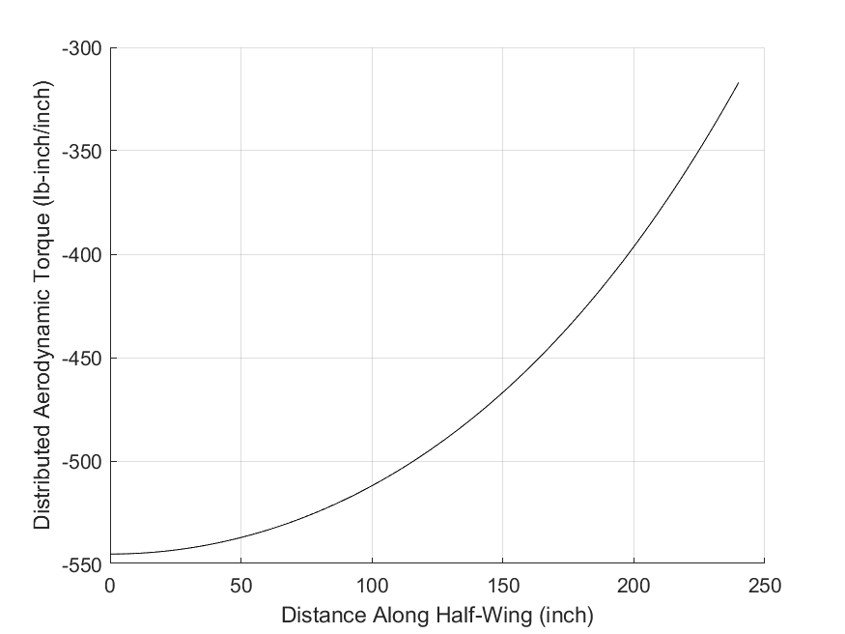
 |  | Distributed Torque Plot
 |  | x-axis: Position along spar (inch)
 |  | y-axis: Distributed Torque Force (lb-inch/inch)

 | Internal Stress Resultants (Root Only)
 | Variable | Description | Value | Units
 | Py | Transverse force (y-direction) | 5.8473E+02 | lb
 | Pz | Transverse force (z-direction) | 9.8012E+03 | lb
 | Mx | Torque (about x-axis) | -1.4378E+05 | lb-inch
 | My | Bending moment (about y-axis) | -1.0886E+06 | lb-inch
 | Mz | Bending moment (about z-axis) | 7.1040E+04 | lb-inch

 | Shear (Y-Direction) Diagram
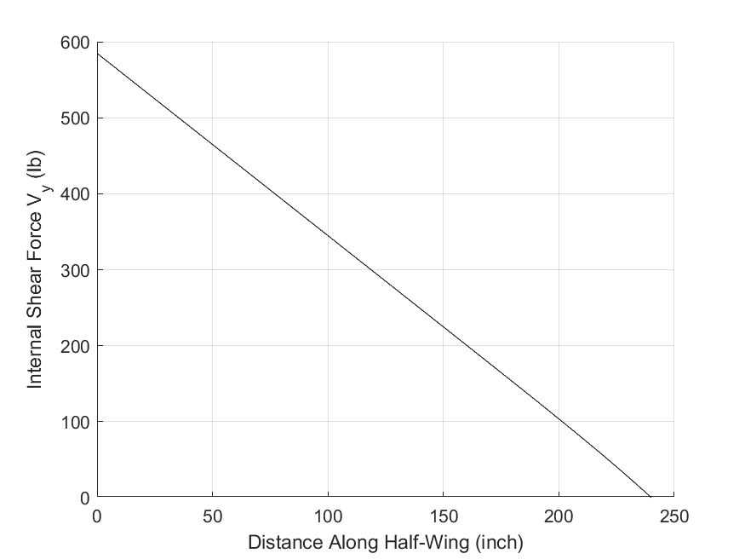
 |  | Internal Y-Direction Shear Force Plot
 |  | x-axis: Position along spar (inch)
 |  | y-axis: Internal Y-Direction Shear Force (lb)

 | Shear (Z-Direction) Diagram
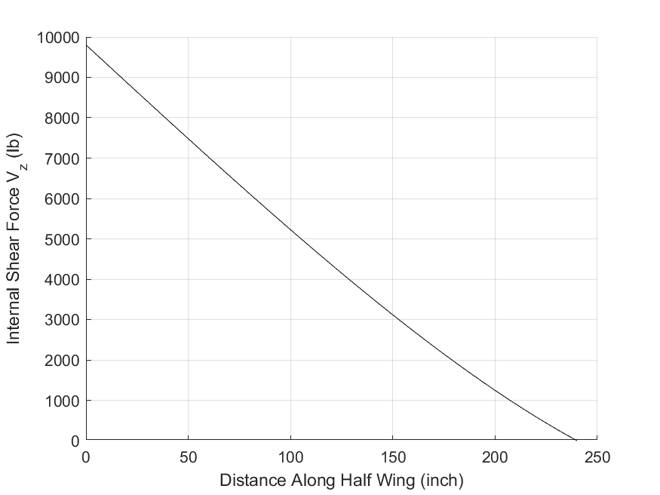
 |  | Internal Z-Direction Shear Force Plot
 |  | x-axis: Position along spar (inch)
 |  | y-axis: Internal Z-Direction Shear Force (lb)

 | Torsion Moment (about X-axis) Diagram
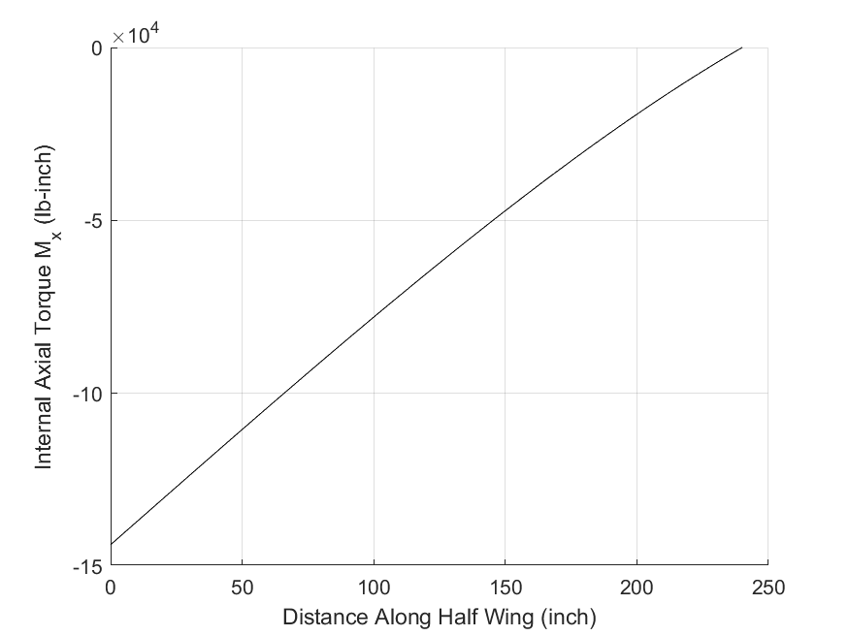
 |  | Internal Torque Along X-axis Plot
 |  | x-axis: Position along spar (inch)
 |  | y-axis: Internal Axial Torque (lb-inch)

 | Bending Moment (about Y-axis) Diagram
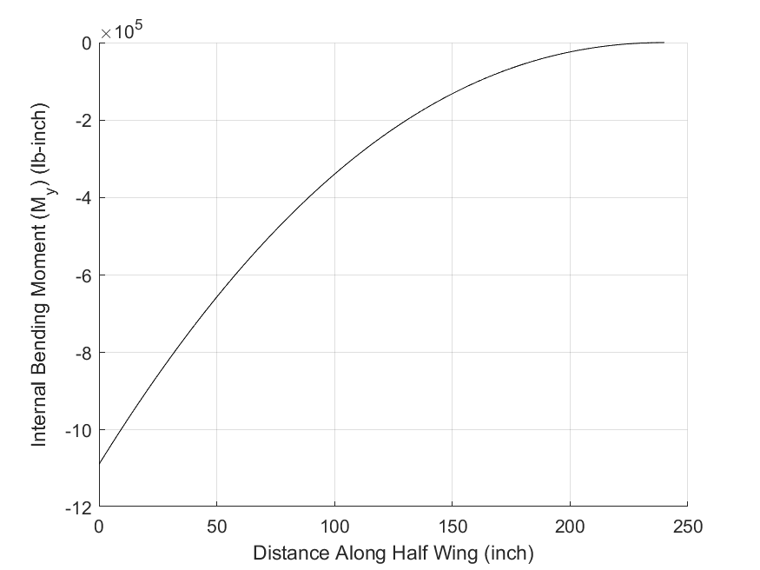
 |  | Internal Bending Moment about Y-Axis Plot
 |  | x-axis: Position along spar (inch)
 |  | y-axis: Internal Bending Moment about Y-Axis (lb-inch)

 | Bending Moment (about Z-axis) Diagram
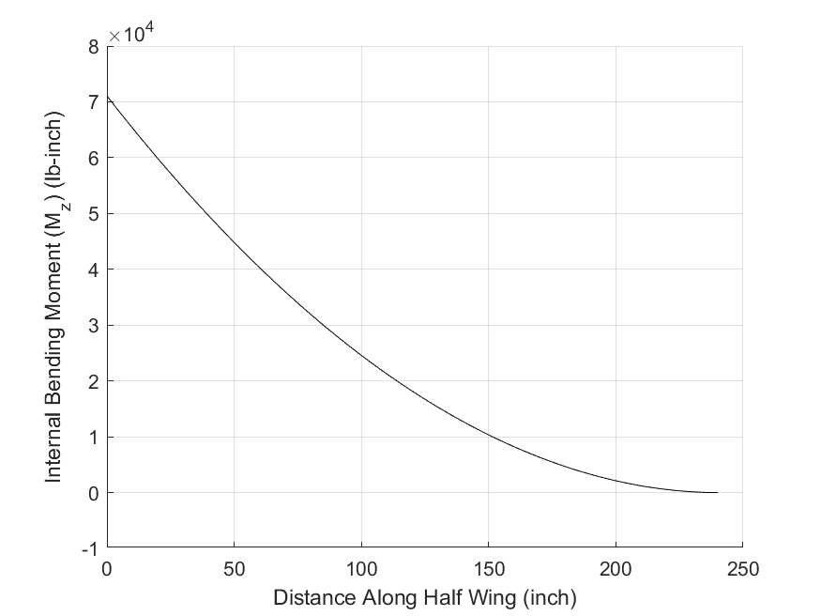
 |  | Internal Bending Moment about Z-Axis Plot
 |  | x-axis: Position along spar (inch)
 |  | y-axis: Internal Bending Moment about Z-Axis (lb-inch)

 | Stringer Stress Analysis (Root Only)
 | Variable | Description | (#1) | (#2) | (#3) | (#4) | Units
 | sxx | Axial stress | 2.9307E-01 | 2.8068E+01 | -2.9307E-01 | -2.8068E+01 | Ksi
 | sT* | Allowable stress (tension) | 2.8667E+01 | 2.8667E+01 | 2.8667E+01 | 2.8667E+01 | Ksi
 | sC* | Allowable stress (compression) | -2.8667E+01 | -2.8667E+01 | -2.8667E+01 | -2.8667E+01 | Ksi
 | MS | Margin of Safety | 9.6815E+01 | 2.1327E-02 | 9.6815E+01 | 2.1327E-02 | 1

 | Stringer Stress Distribution
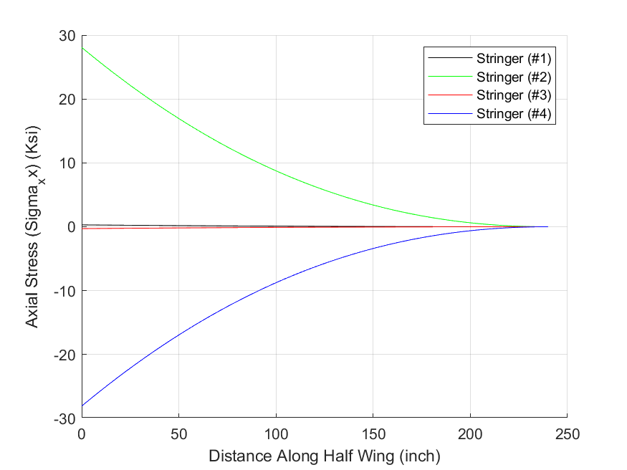
 |  | Axial Stress (sxx) Plot
 |  | x-axis: Position along spar (inch)
 |  | y-axis: Axial Stress in the four stringers (lb/inch^2)

 | Wing Skin Stress Analysis (Root Only)
 | Variable | Description | 1.2 | 2.3 | 3.4 | 4.1 | Units
 | txs | Shear stress | -1.2733E+01 | 9.4620E+00 | 9.2501E+00 | -1.2945E+01 | Ksi
 | t* | Allowable stress (shear) | 1.8667E+01 | 1.8667E+01 | 1.8667E+01 | 1.8667E+01 | Ksi
 | MS | Margin of Safety | 4.6603E-01 | 9.7281E-01 | 1.0180E+00 | 4.4204E-01 | 1

 | Wing Skin Shear Stress Distribution
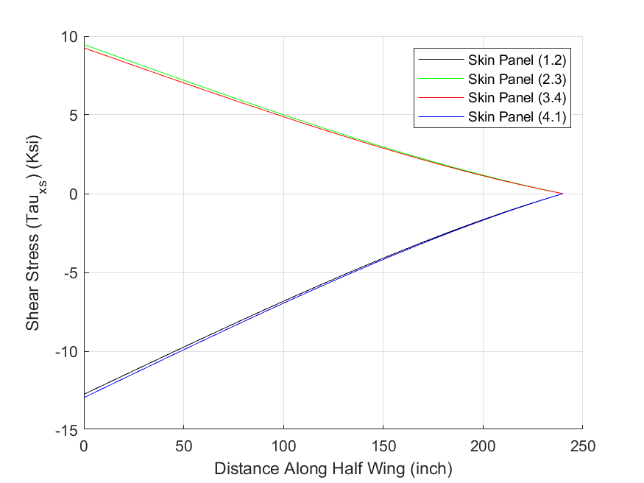
 |  | Wing Skin Shear Stress (txs) Plot
 |  | x-axis: Position along spar (inch)
 |  | y-axis: Shear Stress in Each Skin (1.2, 2.3, 3.4, and 4.1)

 | Wing Tip Displacement and Twist
 | Variable | Description | Value | Units
 | vtip | In-Plane Drag (+rearward) | 1.7715E-02 | inch
 | wtip | Transverse Lift +upward) | 1.0121E+01 | inch
 | qtip | Twist | -6.6569E-01 | degrees
 | dvtip /dx | Slope (RHR about z axis) | 9.8705E-05 | inch/inch
 | dwtip /dx | Slope (RHR about -y axis) | 5.5564E-02 | inch/inch

 | Wing In-Plane (Y-direction) Displacement Distribution (inch)
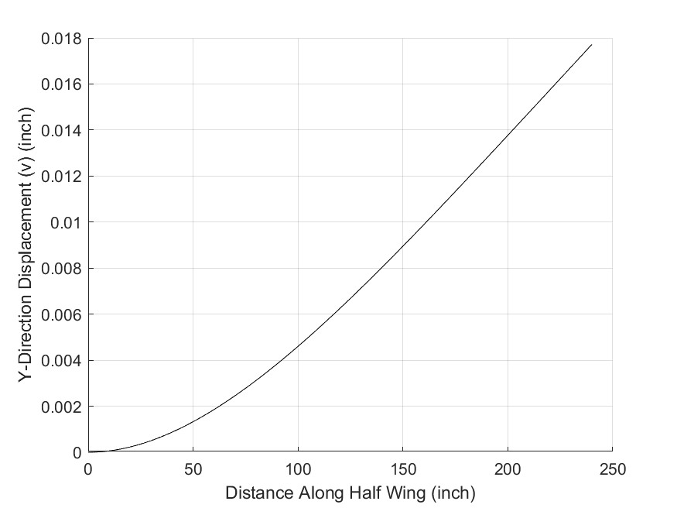
 |  | Wing In-Plane (y-direction) Displacement Plot
 |  | x-axis: Position along spar (inch)
 |  | y-axis: In-Plane (y-direction) Displacement (inch)

 | Wing Out-of-Plane (Z-direction) Displacement Distribution (inch)
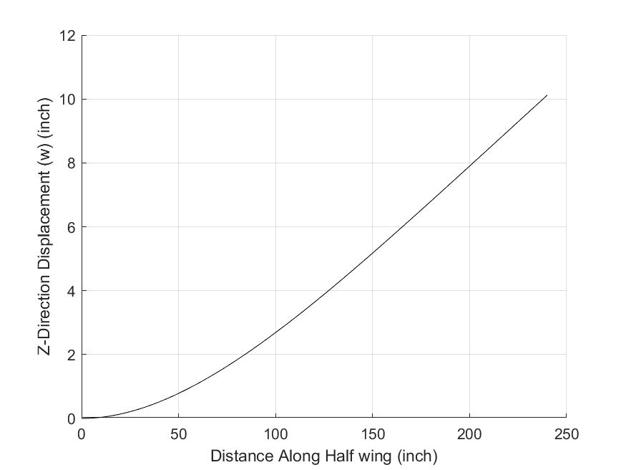
 |  | Wing Out-of-Plane (z-direction) Displacement Plot
 |  | x-axis: Position along spar (inch)
 |  | y-axis: Out-of-Plane (z-direction) Displacement (inch)

 | Wing Twist (RHR about the +x-axis) Distribution (degree)
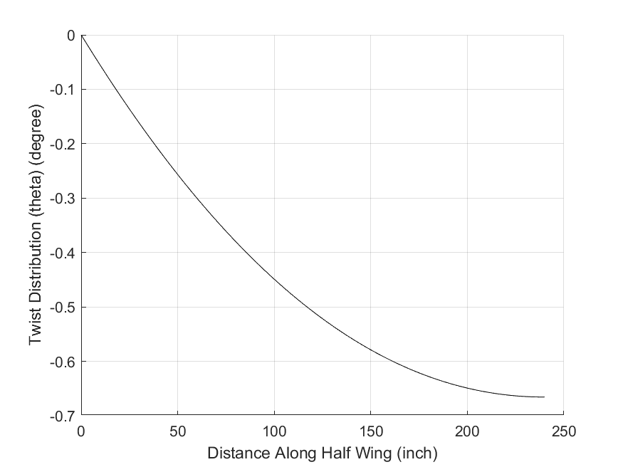
 |  | Wing Twist Distribution Plot
 |  | x-axis: Position along spar (inch)
 |  | y-axis: Twist Distribution (degree)

 | Wing Bending Slope in the X-Y plane (RHR about the +Z-axis) Distribution (inch/inch)
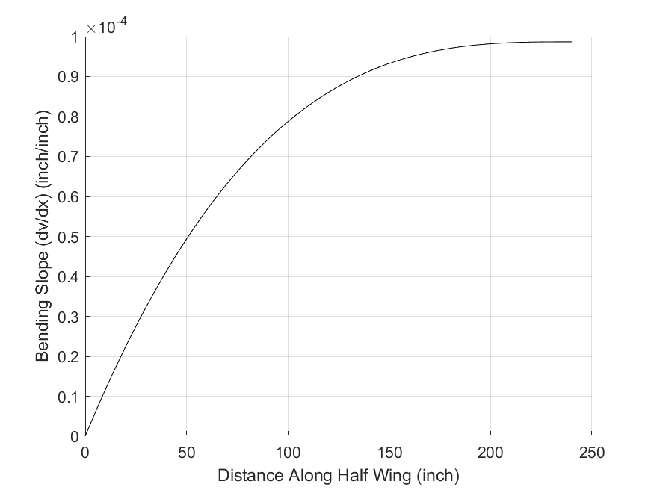
 |  | Slope in the X-Y plane (RHR about the +Z-axis) Plot
 |  | x-axis: Position along spar (inch)
 |  | y-axis: Slope in the X-Y plane (RHR about the +Z-axis) (inch/inch)

 | Wing Bending Slope in the X-Z plane (RHR about the -Y-axis) Distribution (inch/inch)
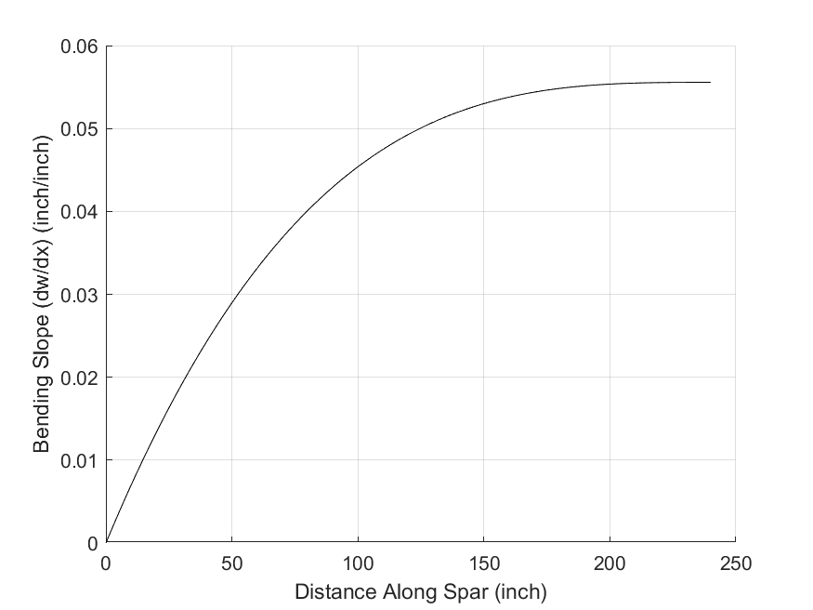
 |  | Slope in the X-Z plane (RHR about the -Y-axis) Plot
 |  | x-axis: Position along spar (inch)
 |  | y-axis: Slope in the X-Z plane (RHR about the -Y-axis) (inch/inch)

End of Output

